UK Link POAP
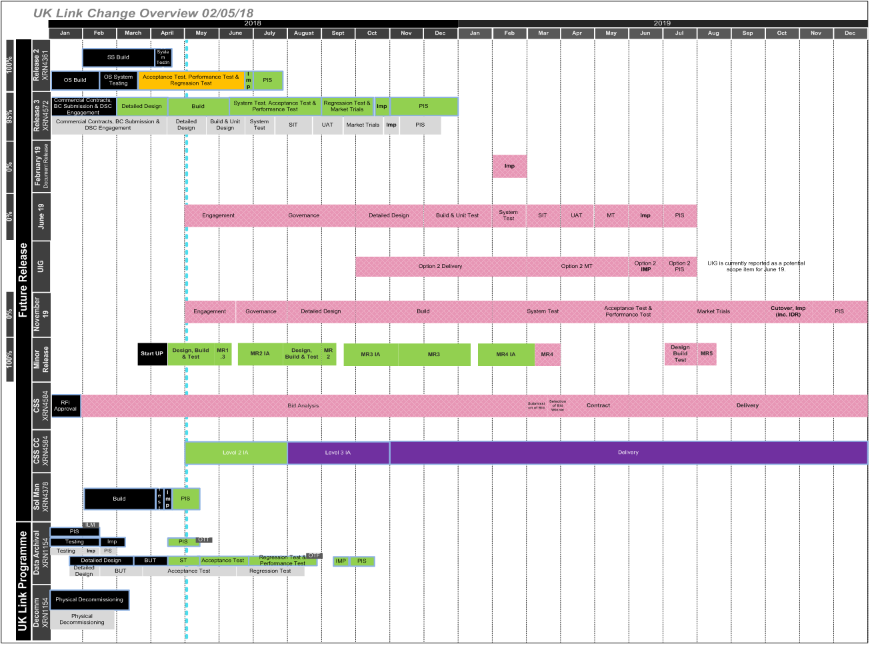

* Excludes Gemini changes
* This is a view of change taken form a point in time and it subject to change

UK Link_2yr_view
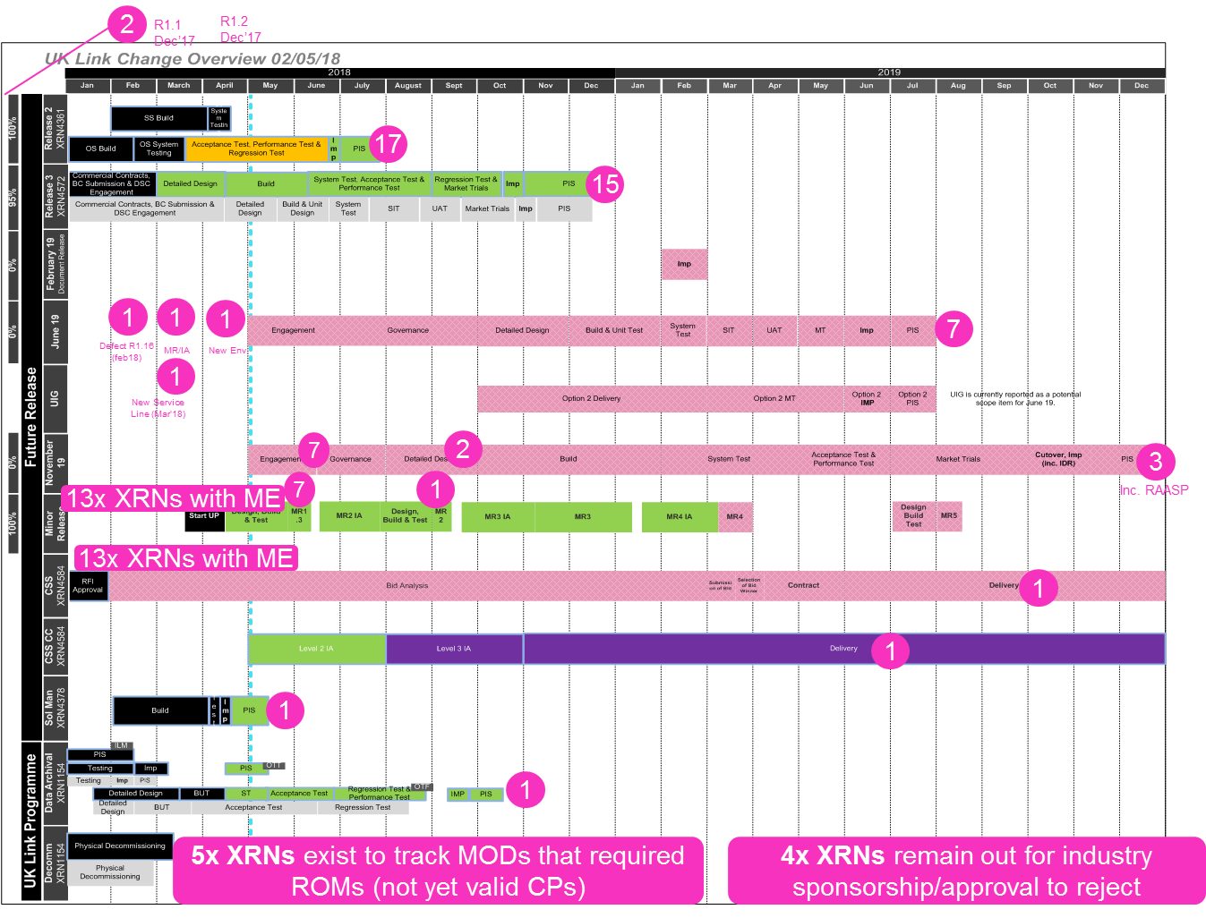

 |  | Change Allocation | Count of XRNs
 |  | Solution Manager Update (Feb'18) | 1
 |  | Release Nov 19 | 2
 |  | Release Jun 19 | 4
 |  | Release Feb 19 | 0
 |  | R3.0 (Nov'18) | 15
 |  | R2.0 (Jun'18) | 17
 |  | R1.2 (Dec'17) | 1
 |  | R1.1 (Dec'17) | 1
 |  | R1.0 (Nexus) | 1
 |  | R&N New Environment (Apr'18) | 1
 |  | R&N Minor Release/Impact Assessment (Mar'18) | 1
 |  | Out for industry sponsorship/approval to reject | 4
 |  | New Service Line (Mar'18) | 1
 |  | MOD (Not yet landed as a CP) | 5
 |  | Minor Enhancement Delivered Change | 13
 |  | Defect R1.16 (Feb'18) | 1
 |  | CSS | 2
 |  | Candidate for Minor Release 2 | 1
 |  | Candidate for Minor Release 1 | 7
 |  | Grand Total | 78

 |  | Please filter in column C within the 'R&N_Live_Changes' tab to view specific XRNs

Release Jun 19 | Only 4 XRNs are shown assigned in the Change Register, 3 changes are Mods from the bubbling under report that are yet to be approved.
Release Nov 19 | Only 2 XRNs are shown assigned in the Change Ragister the other 1 change is a Mod from the bubbling under report that is yet to be approved.

