1-Summary
Xoserve Monthly Reporting |  |  |  |  |  | SEP 2018

 | Invoicing Information |  |  |  |  |  |  |  |  | Contract Management Reporting

 | Invoice | Jan-18 | Feb-18 | Mar-18 | Apr-18 | May-18 | Jun-18 | Jul-18 | Jul-18 | Priority 1 KPI |  |  |  |  | 6
 | LDZ Capacity (CAZ) | £300,085,873.04 | £271,243,893.07 | £300,714,752.62 | £302,200,317.27 | £312,174,512.16 | £302,299,412.99 | £312,562,745.62 | £312,780,813.69
 | Commodity (COM) | £51,013,861.41 | £49,577,294.91 | £47,885,458.16 | £29,034,584.31 | £19,449,237.00 | £14,591,606.04 | £14,290,600.70 | £15,048,321.28 | Priority 2 KPIs |  |  |  |  | 0
 | Amendments (AMS) | £398,601 | -£97,585 | £435,829 | £1,543,453.44 | £2,024,085.07 | £2,213,969.29 | £1,483,244.96 | £830,443.17
 | Meter Assets (MAS & ADP) | £193,840.00 | £175,082.41 | £193,565.33 | £194,233.30 | £200,707.08 | £194,233.54 | £200,707.69 | £200,263.88 | UK Link Availability (Gemini) |  |  |  |  | 100.00%
 | NTS Entry Capacity (NTE) | £13,468,961.26 | £10,887,736.94 | £12,522,228.64 | £1,577,511.57 | £1,599,795.55 | £1,621,553.61 | £1,735,803.71 | £1,735,803.71
 | NTS Exit Capacity (NXC) | £18,693,319.21 | £16,944,144.32 | £16,944,144.32 | £18,111,359.22 | £18,702,620.75 | £18,117,525.20 | £18,720,256.49 | £18,720,256.49 | UK Link Availability (Non-Gemini) |  |  |  |  | 100.00%

 |  |  |  |  |  |  |  |  |  | Third Party Services Sold |  |  |  |  | £15,571

 |  |  |  |  |  |  |  |  |  | Additional Services Sold |  |  |  |  | £10,869

 |  |  |  |  |  |  |  |  |  | Operational Requirements |  |  |  |  | No Failures

 |  |  |  |  |  |  |  |  |  | Supply Point Information

 |  |  |  |  |  |  |  |  |  | Type | Feb | Mar | April | May | June | July | August | September
 |  |  |  |  |  |  |  |  |  | Class 1 | 990 | 930 | 449 | 420 | 422 | 427 | 427 | 429
 |  |  |  |  |  |  |  |  |  | Class 2 | 115 | 179 | 663 | 686 | 687 | 658 | 655 | 650
 |  |  |  |  |  |  |  |  |  | Class 3 | 78,345 | 80,084 | 119,857 | 121,241 | 123,483 | 125,491 | 78,827 | 88,860
 |  |  |  |  |  |  |  |  |  | Class 4 | 23,986,004 | 23,996,449 | 23,975,239 | 23,988,139 | 24,005,430 | 24,038,014 | 24,101,362 | 24,110,132

 | Highlights & Other Matters

 |  |  |  |  |  |  |  |  |  |  |  |  |  |  |  | Smart Meter- % 26.33

5-Change Report Summary
Totals by Budget Area (£,000's) |  |  |  |  |  |  |  |  |  |  | Current Year Value of Work Done Split By Customer Class
 |  |  | Values pertaining to the Total Cost of the Project |  | Values pertaining to the cost of the project split by Financial Year |  |  |  | RAG Status
Summary (by Budget Area) | Expenditure Type | Approved Budget Value 18/19 | Total Approved Value | Estimated Cost at Completion | Previous Year Value of Work Done | Current Year Value of Work Done | Current Year Value of Work Remaining | Future Financial Years Value of Work Remaining | Current Year Total vs Budget | Estimated Cost at Completion vs. Total Approved Value | Transmission Network Operator | Distribution Network Operator | DNs & IGTs | IGT's | Shippers
DSC Change Budget | External | 2,206.7 | 2,379.2 | 1,899.5 | 508.5 | 1,082.6 | 308.4 | 0.0 | G | G | 437.8 | 177.8 | 80.3 | 0.0 | 386.8
 | Internal |  |  | 396.9 | 119.1 | 193.6 | 84.3 | 0.0 | NA | NA | 125.6 | 10.2 | 4.8 | 0.0 | 53.0
 | Total |  |  | 2,336.8 | 668.0 | 1,276.2 | 392.6 | 0.0 | NA | NA | 563.3 | 188.0 | 85.1 | 0.0 | 439.7

Note that project expenditure & budget values shown do not include margin |  |  |  |  |  |  |  |  | Green - At or below target
Internal costs are not deducted from budget (unless otherwise notified) |  |  |  |  |  |  |  |  | Red - Above target
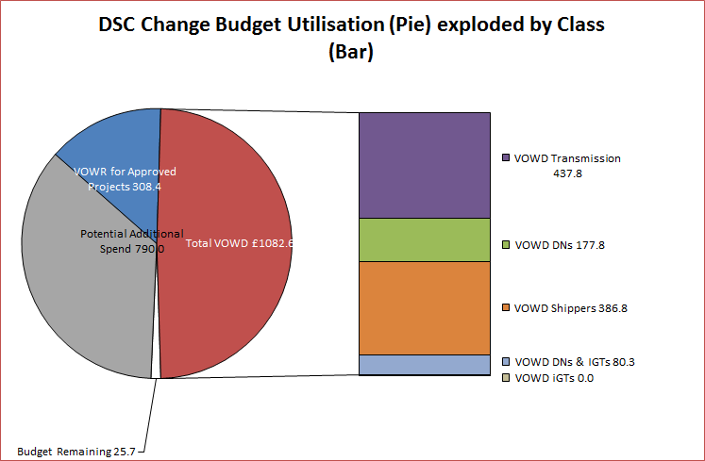

Details of Changes
 | Values pertaining to the Total Cost of the Project |  | Values pertaining to the cost of the project split by Financial Year
Project Line Level Changes | Change in Total Approved Value | Change in Estimated Total Cost of Project | Change in Previous Year Actuals | Change in Current Year Value of Work Done | Change in Current Year Value of Work Remaining | Change in Future Financial Years Value of Work Remaining
4361 UKL Jun'18 Release [R2] (DSC CB) Programme Summary - External [O] | 0.0 | 25.1 | 0.0 | 25.1 | 0.0 | 0.0
This section summarises any value change between this report and the previous report. Positive values indicate an increase since the last report, negative indicates a decrease.

