CMC_Summary
Totals by Budget Area (£,000's) |  |  |  |  |  |  |  |  |  |  | Current Year Value of Work Done Split By Customer Class
 |  |  | Values pertaining to the Total Cost of the Project |  | Values pertaining to the cost of the project split by Financial Year |  |  |  | RAG Status
Summary (by Budget Area) | Expenditure Type | Approved Budget Value 18/19 | Total Approved Value | Estimated Cost at Completion | Previous Year Value of Work Done | Current Year Value of Work Done | Current Year Value of Work Remaining | Future Financial Years Value of Work Remaining | Current Year Total vs Budget | Estimated Cost at Completion vs. Total Approved Value | Transmission Network Operator | Distribution Network Operator | DNs & IGTs | IGT's | Shippers
DSC Change Budget | External | 1,844.0 | 2,897.9 | 2,089.6 | 508.5 | 1,296.2 | 81.4 | 212.6 | G | G | 668.3 | 126.5 | 56.2 | 0.0 | 445.2
 | Internal |  |  | 614.2 | 119.1 | 316.9 | 41.6 | 0.0 | NA | NA | 188.0 | 10.4 | 4.9 | 0.0 | 113.6
 | Total |  |  | 2,744.2 | 668.0 | 1,613.0 | 123.0 | 349.3 | NA | NA | 856.3 | 136.9 | 61.1 | 0.0 | 558.8

Note that project expenditure & budget values shown do not include margin |  |  |  |  |  |  |  |  | Green - At or below target
Internal costs are not deducted from budget (unless otherwise notified) |  |  |  |  |  |  |  |  | Red - Above target
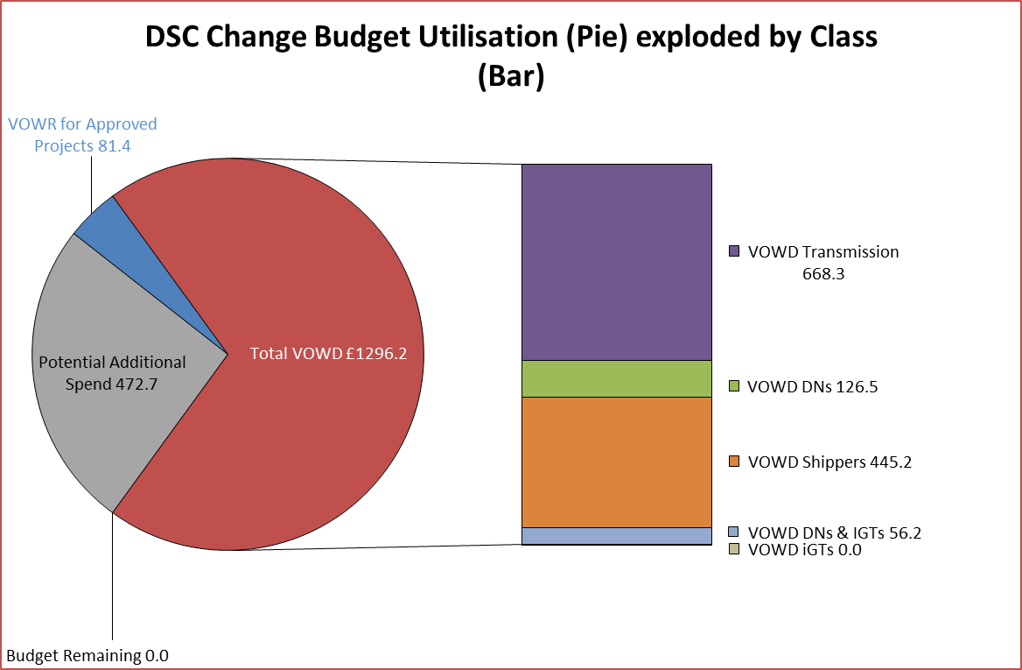

Details of Changes
 | Values pertaining to the Total Cost of the Project |  | Values pertaining to the cost of the project split by Financial Year
Project Line Level Changes | Change in Total Approved Value | Change in Estimated Total Cost of Project | Change in Previous Year Actuals | Change in Current Year Value of Work Done | Change in Current Year Value of Work Remaining | Change in Future Financial Years Value of Work Remaining

This section summarises any value change between this report and the previous report. Positive values indicate an increase since the last report, negative indicates a decrease.

