CMC Summary
Totals by Budget Area (£,000's) |  |  |  |  |  |  |  |  |  |  |  | Current Year Value of Work Done Split By Customer Class
 |  |  |  | Values pertaining to the Total Cost of the Project |  | Values pertaining to the cost of the project split by Financial Year |  |  |  | RAG Status
Summary (by Budget Area) |  | Expenditure Type | Approved Budget Value 17/18 | Total Approved Value | Estimated Cost at Completion | Previous Year Value of Work Done | Current Year Value of Work Done | Current Year Value of Work Remaining | Future Financial Years Value of Work Remaining | Current Year Total vs Budget | Estimated Cost at Completion vs. Total Approved Value | Transmission Network Operator | Distribution Network Operator | DNs & IGTs | IGT's | Shippers
DSC Change Budget 17-18 | MKT_1718_01 | External | £1,255.0 | £274.0 | £114.2 | £80.3 | £33.9 | £- | £- | G | G | £- | £4.5 | £29.5 | £- | £-
 |  | Internal | NA | £178.4 | £107.9 | £76.9 | £31.0 | £- | £- | NA | G | £- | £31.0 | £- | £- | £-
 |  | Total | NA | £452.4 | £222.2 | £157.2 | £65.0 | £- | £- | NA | G | £- | £35.5 | £29.5 | £- | £-

Note that project expenditure & budget values shown do not include margin |  |  |  |  |  |  |  |  |  | Green - At or below target
Internal costs are not deducted from budget (unless otherwise notified) |  |  |  |  |  |  |  |  |  | Red - Above target
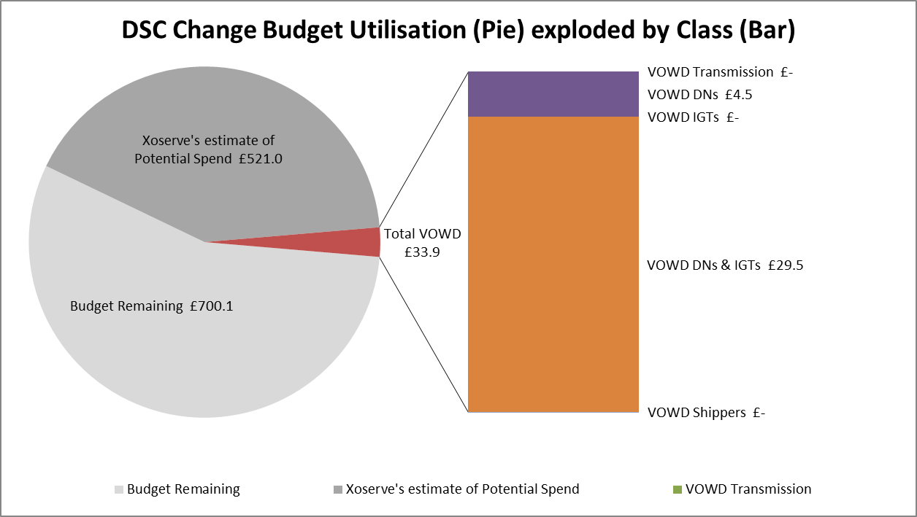

Details of Changes
 | Values pertaining to the Total Cost of the Project |  | Values pertaining to the cost of the project split by Financial Year
Project Line Level Changes | Change in Total Approved Value | Change in Estimated Total Cost of Project | Change in Previous Year Actuals | Change in Current Year Value of Work Done | Change in Current Year Value of Work Remaining | Change in Future Financial Years Value of Work Remaining
4340 UK Link Future Release 1.1 (DSC Change Budget) - External | £127.0 | -£82.5 | £- | £11.5 | -£94.0 | £-
4340 UK Link Future Release 1.1 (DSC Change Budget) - Internal | £51.1 | £- | £- | £- | £- | £-
Grand Total | £178.1 | -£82.5 | £- | £11.5 | -£94.0 | £-
This section summarises any value change between this report and the previous report. Positive values indicate an increase since the last report, negative indicates a decrease.

