1-Summary
Xoserve Monthly Reporting |  |  |  |  |  | October 2017

 | Invoicing Information |  |  |  |  |  | Contract Management Reporting

 | Invoice | Jun-17 | Jul-17 | Aug-17 | Sep-17 |  | Priority 1 KPI |  |  |  |  | All Achieved
 | LDZ Capacity (CAZ) | £288,773,735 | £298,593,732 | £298,862,406 | £289,415,949
 | Commodity (COM) | £16,487,570 | £16,897,920 | £16,761,361 | £20,098,401 |  | Priority 2 KPIs |  |  |  |  | All Achieved
 | Amendments (AMS) | -£3,258,689 | £247,176 | £1,357,291 | £205,300
 | Meter Assets (MAS & ADP) | £187,370 | £193,814 | £193,841 | £187,588 |  | UK Link Avaliability (Gemini) |  |  |  |  | 100.00%
 | LDZ Capacity (CAZ) | Commodity (COM) | Amendments (AMS) | Meter Assets (MAS & ADP)
42887 | 288773735.37 | 16487569.55 | -3258688.63 | 187370.3
42917 | 298593731.84 | 16897919.7 | 247176.37 | 193814.49
42948 | 298862406.46 | 16761360.58 | 1357290.74 | 193840.59
42979 | 289415948.74 | 20098400.73 | 205300.25 | 187587.95
 |  |  |  |  |  |  | UK Link Avaliability (Non-Gemini) |  |  |  |  | 100.00%

 |  |  |  |  |  |  | Third Party Services Sold |  |  |  |  | £39,076

 |  |  |  |  |  |  | Additional Services Sold |  |  |  |  | £5,938

 |  |  |  |  |  |  | Operational Requirements |  |  |  |  | No Failures

 | Highlights & Other Matters |  |  |  |  |  | Supply Point Information

 | Customer disputes - none recorded |  |  |  |  |  | Type | Aug | Sep | Oct | Nov
 |  |  |  |  |  |  | Class 1 | 1,187 | 1,184 | 1,160 | 1,131
 | No budget & chargiong methodology changes |  |  |  |  |  | Class 2 | 5 | 6 | 11 | 17
 |  |  |  |  |  |  | Class 3 | 5,487 | 49,493 | 51,752 | 74,030
 | Terms of use for data Enquiry and CMS updated |  |  |  |  |  | Class 4 | 23,954,318 | 23,932,519 | 23,944,918 | 23,941,127

 | Xoserve's Katie Pell won Solihull Chamber of Commerce Apprentice of the Year

 | UIG awarenes event held

 | Dave Turpin got gunged!

 | BP18 review event

5-Change Report Summary
Change Management Summary |  |  |  |  |  | October 2017

Totals by Budget Area (£,000's) |  |  |  |  |  |  |  |  |  |  |  | Current Year Value of Work Done Split By Customer Class
 |  |  |  | Values pertaining to the Total Cost of the Project |  | Values pertaining to the cost of the project split by Financial Year |  |  |  | RAG Status
Summary (by Budget Area) |  | Expenditure Type | Approved Budget Value 17/18 | Total Approved Value | Estimated Cost at Completion | Previous Year Value of Work Done | Current Year Value of Work Done | Current Year Value of Work Remaining | Future Financial Years Value of Work Remaining | Current Year Total vs Budget | Estimated Cost at Completion vs. Total Approved Value | Transmission Network Operator | Distribution Network Operator | DNs & IGTs | IGT's | Shippers
DSC Change Budget 17-18 | MKT_1718_01 | External | £1,255.0 | £274.0 | £114.2 | £80.3 | £33.9 | £- | £- | G | G | £- | £4.5 | £29.5 | £- | £-
 |  | Internal | NA | £178.4 | £107.9 | £76.9 | £31.0 | £- | £- | NA | G | £- | £31.0 | £- | £- | £-
 |  | Total | NA | £452.4 | £222.2 | £157.2 | £65.0 | £- | £- | NA | G | £- | £35.5 | £29.5 | £- | £-

Note that project expenditure & budget values shown do not include margin |  |  |  |  |  |  |  |  |  | Green - At or below target
Internal costs are not deducted from budget (unless otherwise notified) |  |  |  |  |  |  |  |  |  | Red - Above target
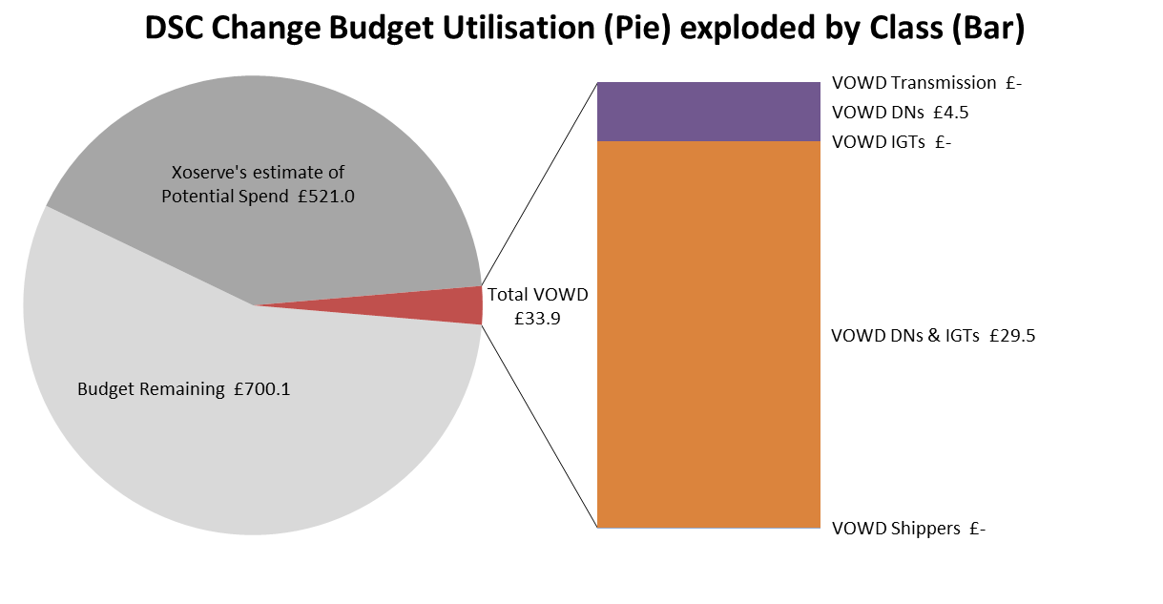

Details of Changes
 | Values pertaining to the Total Cost of the Project |  | Values pertaining to the cost of the project split by Financial Year
Project Line Level Changes | Change in Total Approved Value | Change in Estimated Total Cost of Project | Change in Previous Year Actuals | Change in Current Year Value of Work Done | Change in Current Year Value of Work Remaining | Change in Future Financial Years Value of Work Remaining
4340 UK Link Future Release 1.1 (DSC Change Budget) - External | £127.0 | -£82.5 | £- | £11.5 | -£94.0 | £-
4340 UK Link Future Release 1.1 (DSC Change Budget) - Internal | £51.1 | £- | £- | £- | £- | £-
Grand Total | £178.1 | -£82.5 | £- | £11.5 | -£94.0 | £-
This section summarises any value change between this report and the previous report. Positive values indicate an increase since the last report, negative indicates a decrease.

