R&N_2yr_view
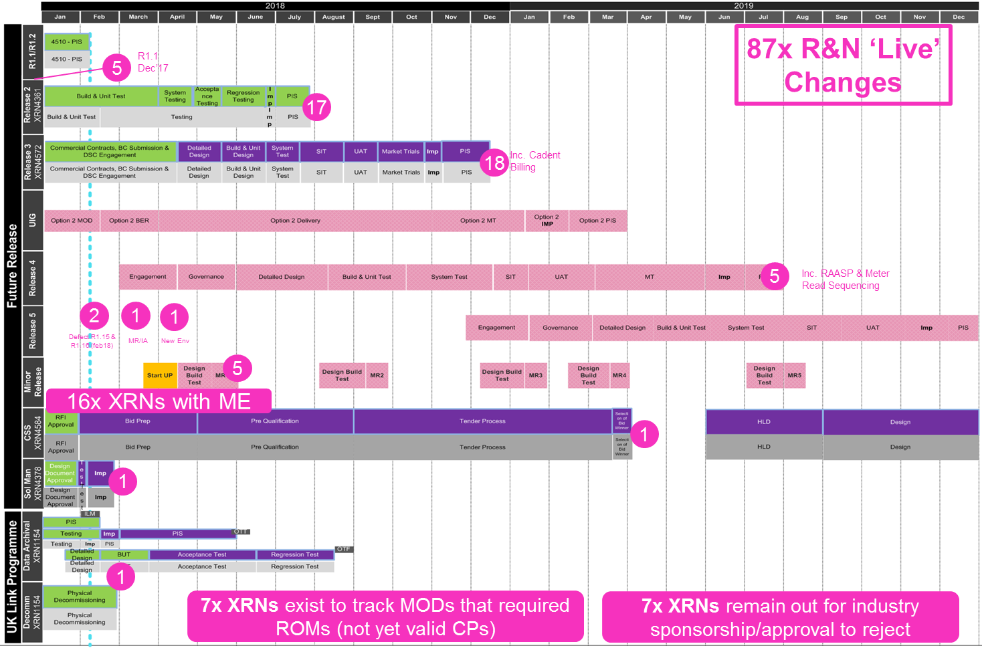

Change Allocation | Count of XRNs
Solution Manager Update (Feb'18) | 1
ROM (Not yet landed as a CP) | 3
R4.0 (Jun'19) | 5
R3.0 (Nov'18) | 18
R2.0 (Jun'18) | 17
R1.1 (Dec'17) | 5
R1.0 (Nexus) | 1
R&N New Environment (Apr'18) | 1
R&N Minor Release/Impact Assessment (Mar'18) | 1
Out for industry sponsorship/approval to reject | 7
MOD (Not yet landed as a CP) | 4
Minor Enhancement Delivered Change | 16
Defect R1.16 (Feb'18) | 1
Defect R1.15 (Feb'18) | 1
CSS | 1
Candidate for Minor Release | 5
Grand Total | 87

Please filter in column C within the 'R&N_Live_Changes' tab to view specific XRNs

