One to One
Using 0621 model for 2021
Example 1 one to one exchange
Want to move 1,500,000 from Lyneham where there is a 2 year UC for 1,000,000 and 1 year on an amount equal or greater than 500,000 to Evesham
 | Decreasing offtake |  | Increasing offtake
 | Lyneham (Choakford) |  | Evesham
Price p/kWh | 0.03441515695 |  | 0.021594166228
Current | 40,420,636 |  | 5,584,329
Capacity moved | -1,000,000 | -500,000 | 1,500,000
After Exchange |  | 38,920,636 | 7,084,329
User Commitment remaining at decreasing offtakes | 2 | 1
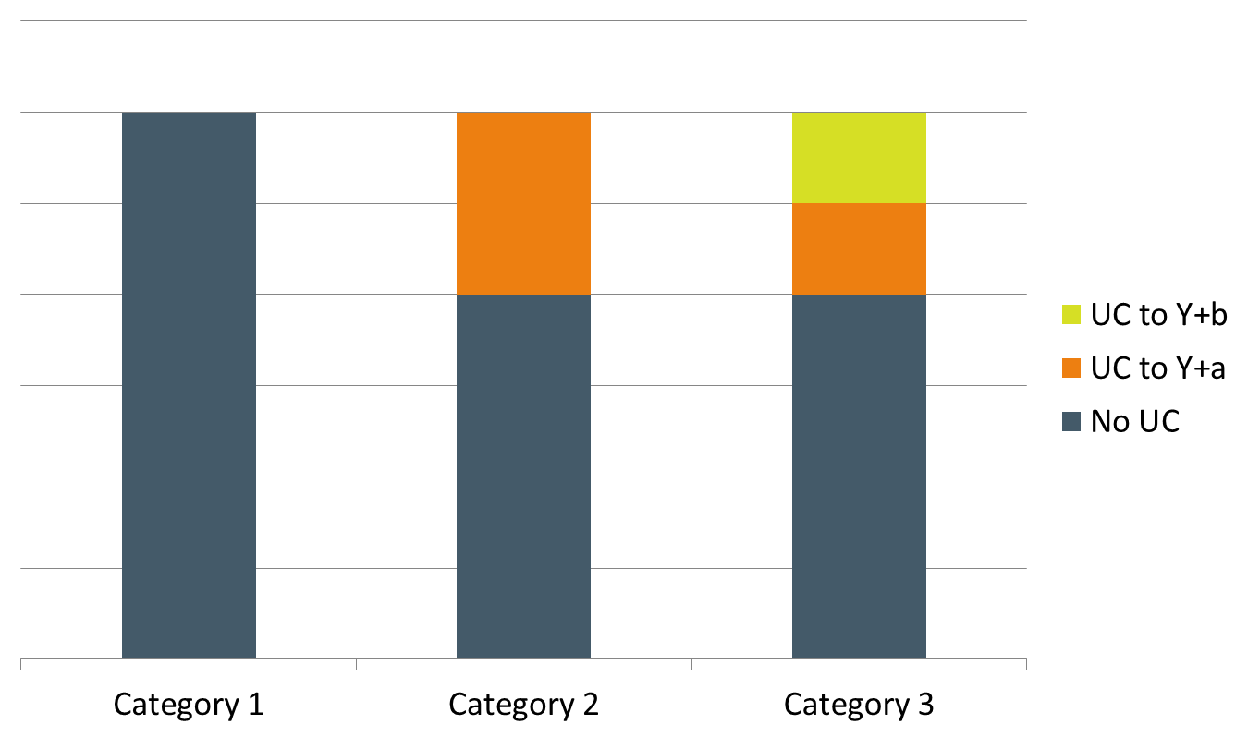
Value of UC | £251,231 | £62,808

Value of UC for decreasing offtakes |  | £314,038
Value of UC to be transferred to increasing offtakes |  |  | £314,038
User Commitment for increasing offtakes unrounded uncapped |  |  | 2.66
User Commitment for increasing offtakes rounded capped |  |  | 3
UC at increasing offtake minus UC at decreasing offtakes |  |  | £40,646

Example 1 one to one exchange same as above but different UC at decreasing offtake
Want to move 1,500,000 from Lyneham where there is a 3 year UC for 1,000,000 and 2 year on an amount equal or greater than 500,000 to Evesham
 | Decreasing offtake |  | Increasing offtake
 | Lyneham (Choakford) |  | Evesham
Price | 0.03441515695 |  | 0.021594166228
Current | 40,420,636 |  | 5,584,329
Capacity moved | -1,000,000 | -500,000 | 1,500,000
After Exchange |  | 38,920,636 | 7,084,329
User Commitment remaining at decreasing offtakes | 3 | 2
Value of UC | £376,846 | £125,615

Value of UC for decreasing offtakes |  | £502,461.29
Value of UC to be transferred to increasing offtakes |  |  | £502,461
User Commitment for increasing offtakes unrounded uncapped |  |  | 4.25
User Commitment for increasing offtakes rounded capped |  |  | 4
UC at increasing offtake minus UC at decreasing offtakes |  |  | -£29,549
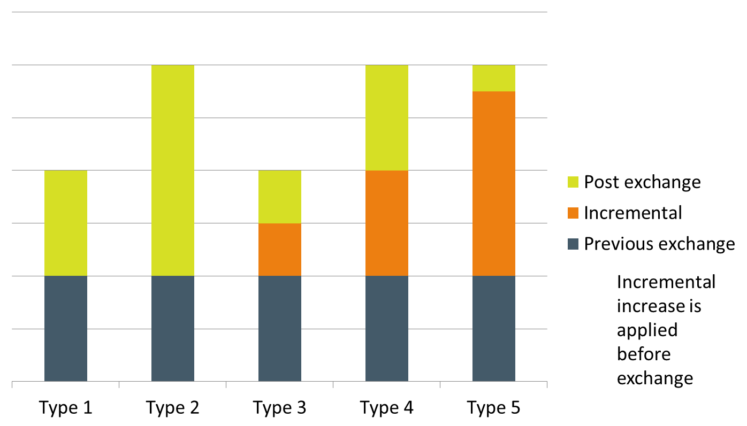

Example 1 one to one exchange
Want to move 1,500,000 from Evesham where there is a 3 year UC for 1,000,000 and 2 year on an amount equal or greater than 500,000 to Lyneham
 | Decreasing offtake |  | Increasing offtake
 | Evesham |  | Lyneham (Choakford)
Price | 0.021594166228 |  | 0.03441515695
Current | 5,584,329 |  | 40,420,636
Capacity moved | -1,000,000 | -500,000 | 1,500,000
After Exchange |  | 4,084,329 | 41,920,636
User Commitment remaining at decreasing offtakes | 3 | 2
Value of UC | £236,456 | £78,819

Value of UC for decreasing offtakes |  | £315,274.83
Value of UC to be transferred to increasing offtakes |  |  | £315,275
User Commitment for increasing offtakes unrounded uncapped |  |  | 1.67
User Commitment for increasing offtakes rounded capped |  |  | 2
UC at increasing offtake minus UC at decreasing offtakes |  |  | £61,571

