1-Summary
Xoserve Monthly Reporting |  |  |  |  |  | April 2018

 | Invoicing Information |  |  |  |  |  |  |  |  | Contract Management Reporting

 | Invoice | Aug-17 | Sep-17 | Oct-17 | Nov-17 | Dec-17 | Jan-18 | Feb-18 | Mar-18 | Priority 1 KPI
 | LDZ Capacity (CAZ) | £298,862,406 | £289,415,949 | £299,201,864.14 | £290,194,555.87 | £299,923,728.54 | £300,085,873.04 | £271,243,893.07 | £300,714,752.62
 | Commodity (COM) | £16,761,361 | £20,098,401 | £26,855,499.51 | £41,901,625.24 | £49,314,715.49 | £51,013,861.41 | £49,577,294.91 | £47,885,458.16 | Priority 2 KPIs |  |  |  |  | 1 Failed
 | Amendments (AMS) | £1,357,291 | £205,300 | £321,544 | £281,193 | £486,752 | £398,601 | -£97,585 | £435,828.94
 | Meter Assets (MAS & ADP) | £193,841 | £187,588 | £193,840 | £187,588 | £193,840.34 | £193,840.00 | £175,082.41 | £193,565.33 | UK Link Availability (Gemini) |  |  |  |  | 100.00%
 | NTS Entry Capacity (NTE) | £1,969,938 | £1,855,268 | £11,176,718 | £12,089,719 | £12,089,719.21 | £13,468,961.26 | £10,887,736.94 | £12,522,228.64
 | NTS Exit Capacity (NXC) | £23,465,025 | £22,811,560 | £18,097,118 | £18,734,839 | £18,734,838.83 | £18,693,319.21 | £16,944,144.32 | £16,944,144.32 | UK Link Availability (Non-Gemini) |  |  |  |  | 100.00%

 |  |  |  |  |  |  |  |  |  | Third Party Services Sold |  |  |  |  | £36,300

 |  |  |  |  |  |  |  |  |  | Additional Services Sold |  |  |  |  | £4,118

 |  |  |  |  |  |  |  |  |  | Operational Requirements |  |  |  |  | No Failures

 |  |  |  |  |  |  |  |  |  | Supply Point Information

 |  |  |  |  |  |  |  |  |  | Type | Oct | Nov | Dec | Jan | Feb | Mar | April | May
 |  |  |  |  |  |  |  |  |  | Class 1 | 1,160 | 1,131 | 1,078 | 1,067 | 990 | 930 | 449 | 420
 |  |  |  |  |  |  |  |  |  | Class 2 | 11 | 17 | 46 | 53 | 115 | 179 | 663 | 686
 |  |  |  |  |  |  |  |  |  | Class 3 | 51,752 | 74,030 | 75,711 | 76,685 | 78,345 | 80,084 | 119,857 | 121,241
 |  |  |  |  |  |  |  |  |  | Class 4 | 23,944,918 | 23,941,127 | 23,957,573 | 23,972,323 | 23,986,004 | 23,996,449 | 23,975,239 | 23,988,139

 | Highlights & Other Matters

 | Issue update - |  |  |  |  |  |  |  |  |  |  |  |  |  |  | Smart Meter- % 22.45%
 | - Daily energy allocations
 | - AML/ASP invoicing update
 | - CMS (route cause update)
 | - Must reads
 | - AMT issues
 | o Meter read processing
 | o Daily read files (class 1)

5-Change Report Summary
Totals by Budget Area (£,000's) |  |  |  |  |  |  |  |  |  |  | Current Year Value of Work Done Split By Customer Class
 |  |  | Values pertaining to the Total Cost of the Project |  | Values pertaining to the cost of the project split by Financial Year |  |  |  | RAG Status
Summary (by Budget Area) | Expenditure Type | Approved Budget Value 18/19 | Total Approved Value | Estimated Cost at Completion | Previous Year Value of Work Done | Current Year Value of Work Done | Current Year Value of Work Remaining | Future Financial Years Value of Work Remaining | Current Year Total vs Budget | Estimated Cost at Completion vs. Total Approved Value | Transmission Network Operator | Distribution Network Operator | DNs & IGTs | IGT's | Shippers
DSC Change Budget | External | 2,206.7 | 2,352.4 | 1,837.5 | 508.5 | 170.8 | 1,158.2 | 0.0 | G | G | 34.8 | 44.3 | 20.8 | 0.0 | 70.9
 | Internal |  |  | 396.9 | 119.1 | 37.3 | 240.6 | 0.0 | NA | NA | 21.1 | 3.4 | 1.6 | 0.0 | 11.2
 | Total |  |  | 2,234.4 | 627.6 | 208.0 | 1,398.8 | 0.0 | NA | NA | 55.8 | 47.7 | 22.4 | 0.0 | 82.0

Note that project expenditure & budget values shown do not include margin |  |  |  |  |  |  |  |  | Green - At or below target
Internal costs are not deducted from budget (unless otherwise notified) |  |  |  |  |  |  |  |  | Red - Above target

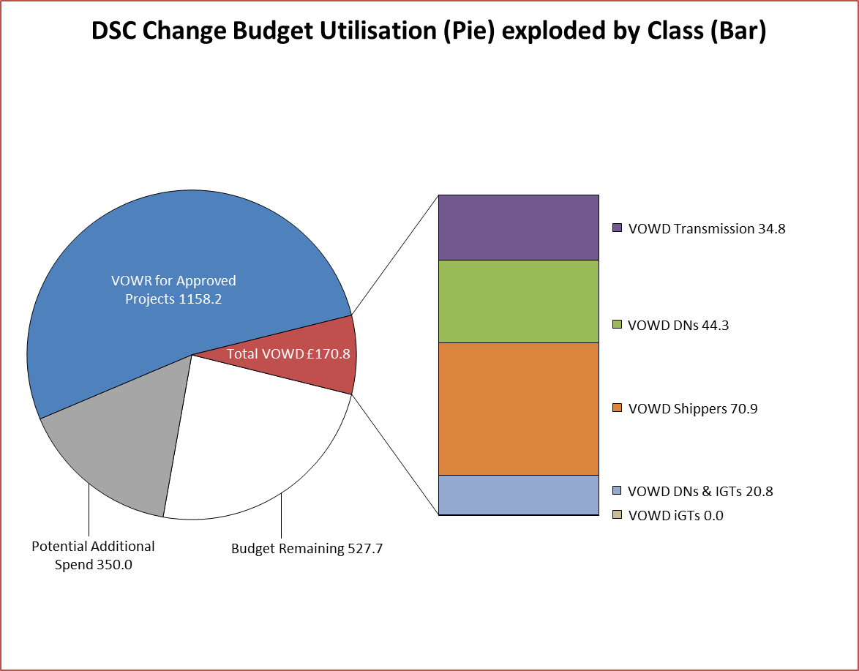
DSC Change Budget Utilisation (Pie) exploded by Class (Bar)
Budget Remaining | 695.66624286
Potential Additional Spend | -0.0404745
VOWR for Approved Projects | 0
VOWD Transmission | 2.8736895
VOWD DNs | 498.16442064
VOWD Shippers | 28.451902
VOWD DNs & IGTs | 29.48
VOWD iGTs | 0.4452195
Details of Changes
 | Values pertaining to the Total Cost of the Project |  | Values pertaining to the cost of the project split by Financial Year
Project Line Level Changes | Change in Total Approved Value | Change in Estimated Total Cost of Project | Change in Previous Year Actuals | Change in Current Year Value of Work Done | Change in Current Year Value of Work Remaining | Change in Future Financial Years Value of Work Remaining
No Change - Start of Financial Year
This section summarises any value change between this report and the previous report. Positive values indicate an increase since the last report, negative indicates a decrease.

