1-Summary
Xoserve Monthly Reporting |  |  |  |  |  | June 2018

 | Invoicing Information |  |  |  |  |  |  |  |  | Contract Management Reporting

 | Invoice | Oct-17 | Nov-17 | Dec-17 | Jan-18 | Feb-18 | Mar-18 | Apr-18 | May-18 | Priority 1 KPI |  |  |  |  | No Failures
 | LDZ Capacity (CAZ) | £299,201,864 | £290,194,555.87 | £299,923,728.54 | £300,085,873.04 | £271,243,893.07 | £300,714,752.62 | £302,200,317.27 | £312,174,512.16
 | Commodity (COM) | £26,855,500 | £41,901,625.24 | £49,314,715.49 | £51,013,861.41 | £49,577,294.91 | £47,885,458.16 | £29,034,584.31 | £19,449,237.00 | Priority 2 KPIs |  |  |  |  | No Failures
 | Amendments (AMS) | £321,544 | £281,193 | £486,752 | £398,601 | -£97,585 | £435,829 | £1,543,453.44 | £2,024,085.07
 | Meter Assets (MAS & ADP) | £193,840 | £187,588 | £193,840 | £193,840.00 | £175,082.41 | £193,565.33 | £194,233.30 | £200,707.08 | UK Link Availability (Gemini) |  |  |  |  | 99.12%
 | NTS Entry Capacity (NTE) | £11,176,718 | £12,089,719 | £12,089,719 | £13,468,961.26 | £10,887,736.94 | £12,522,228.64 | £1,577,511.57 | £1,599,795.55
 | NTS Exit Capacity (NXC) | £18,097,118 | £18,734,839 | £18,734,839 | £18,693,319.21 | £16,944,144.32 | £16,944,144.32 | £18,111,359.22 | £18,702,620.75 | UK Link Availability (Non-Gemini) |  |  |  |  | 100.00%

 |  |  |  |  |  |  |  |  |  | Third Party Services Sold |  |  |  |  | £30,049

 |  |  |  |  |  |  |  |  |  | Additional Services Sold |  |  |  |  | £17,155

 |  |  |  |  |  |  |  |  |  | Operational Requirements |  |  |  |  | No Failures

 |  |  |  |  |  |  |  |  |  | Supply Point Information

 |  |  |  |  |  |  |  |  |  | Type | Dec | Jan | Feb | Mar | April | May | June | July
 |  |  |  |  |  |  |  |  |  | Class 1 | 1,078 | 1,067 | 990 | 930 | 449 | 420 | 422 | 425
 |  |  |  |  |  |  |  |  |  | Class 2 | 46 | 53 | 115 | 179 | 663 | 686 | 687 | 668
 |  |  |  |  |  |  |  |  |  | Class 3 | 75,711 | 76,685 | 78,345 | 80,084 | 119,857 | 121,241 | 123,483 | 125,650
 |  |  |  |  |  |  |  |  |  | Class 4 | 23,957,573 | 23,972,323 | 23,986,004 | 23,996,449 | 23,975,239 | 23,988,139 | 24,005,430 | 24,022,437

 | Highlights & Other Matters

 | For Issues please see Issue Slides |  |  |  |  |  |  |  |  |  |  |  |  |  |  | Smart Meter- % 24.02%

5-Change Report Summary
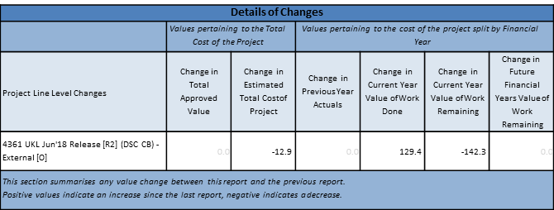
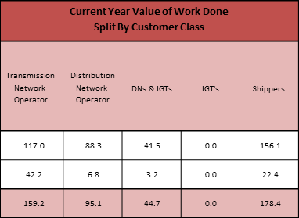

Note that project expenditure & budget values shown do not include margin
Internal costs are not deducted from budget (unless otherwise notified)
Green - At or below target Red - Above target

