1-Summary
Xoserve Monthly Reporting |  |  |  |  |  | July 2018

 | Invoicing Information |  |  |  |  |  |  |  |  | Contract Management Reporting

 | Invoice | Nov-17 | Dec-17 | Jan-18 | Feb-18 | Mar-18 | Apr-18 | May-18 | Jun-18 | Priority 1 KPI |  |  |  |  | 0
 | LDZ Capacity (CAZ) | £290,194,555.87 | £299,923,728.54 | £300,085,873.04 | £271,243,893.07 | £300,714,752.62 | £302,200,317.27 | £312,174,512.16 | £302,299,412.99
 | Commodity (COM) | £41,901,625.24 | £49,314,715.49 | £51,013,861.41 | £49,577,294.91 | £47,885,458.16 | £29,034,584.31 | £19,449,237.00 | £14,591,606.04 | Priority 2 KPIs |  |  |  |  | 0
 | Amendments (AMS) | £281,193 | £486,752 | £398,601 | -£97,585 | £435,829 | £1,543,453.44 | £2,024,085.07 | £2,213,969.29
 | Meter Assets (MAS & ADP) | £187,588 | £193,840 | £193,840.00 | £175,082.41 | £193,565.33 | £194,233.30 | £200,707.08 | £194,233.54 | UK Link Availability (Gemini) |  |  |  |  | 99.95%
 | NTS Entry Capacity (NTE) | £12,089,719 | £12,089,719 | £13,468,961.26 | £10,887,736.94 | £12,522,228.64 | £1,577,511.57 | £1,599,795.55 | £1,621,553.61
 | NTS Exit Capacity (NXC) | £18,734,839 | £18,734,839 | £18,693,319.21 | £16,944,144.32 | £16,944,144.32 | £18,111,359.22 | £18,702,620.75 | £18,117,525.20 | UK Link Availability (Non-Gemini) |  |  |  |  | 100.00%

 |  |  |  |  |  |  |  |  |  | Third Party Services Sold |  |  |  |  | £30,049

 |  |  |  |  |  |  |  |  |  | Additional Services Sold |  |  |  |  | £17,155

 |  |  |  |  |  |  |  |  |  | Operational Requirements |  |  |  |  | No Failures

 |  |  |  |  |  |  |  |  |  | Supply Point Information

 |  |  |  |  |  |  |  |  |  | Type | Dec | Jan | Feb | Mar | April | May | June | July
 |  |  |  |  |  |  |  |  |  | Class 1 | 1,078 | 1,067 | 990 | 930 | 449 | 420 | 422 | 427
 |  |  |  |  |  |  |  |  |  | Class 2 | 46 | 53 | 115 | 179 | 663 | 686 | 687 | 658
 |  |  |  |  |  |  |  |  |  | Class 3 | 75,711 | 76,685 | 78,345 | 80,084 | 119,857 | 121,241 | 123,483 | 125,491
 |  |  |  |  |  |  |  |  |  | Class 4 | 23,957,573 | 23,972,323 | 23,986,004 | 23,996,449 | 23,975,239 | 23,988,139 | 24,005,430 | 24,038,014

 | Highlights & Other Matters

 |  |  |  |  |  |  |  |  |  |  |  |  |  |  |  | Smart Meter- % 24.73%%
 | The GDN CMS education session was very successful and positive for both Xoserve and GDNs.
 | Customers overall seemed to be pleased with the workshop,
 | with feedback that they better understood the validations and actions undertaken for CMS contact types that directly impact their businesses.

5-Change Report Summary
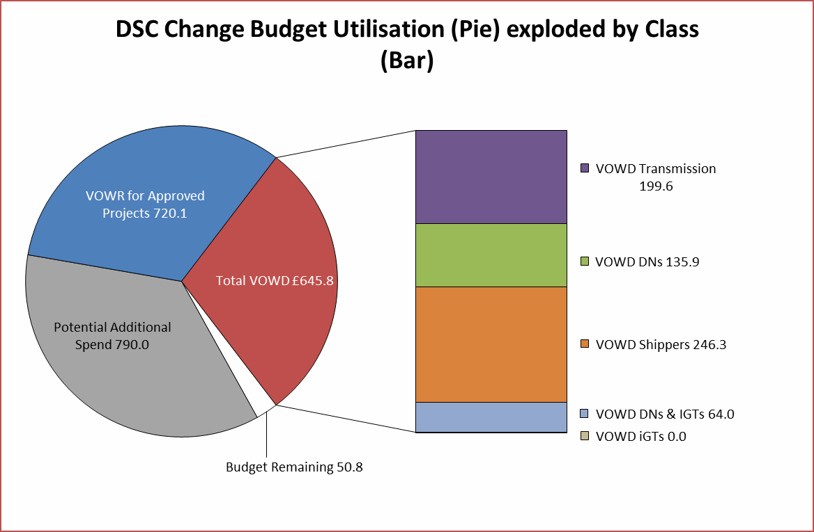
Totals by Budget Area (£,000's) |  |  |  |  |  |  |  |  |  |  | Current Year Value of Work Done Split By Customer Class
 |  |  | Values pertaining to the Total Cost of the Project |  | Values pertaining to the cost of the project split by Financial Year |  |  |  | RAG Status
Summary (by Budget Area) | Expenditure Type | Approved Budget Value 18/19 | Total Approved Value | Estimated Cost at Completion | Previous Year Value of Work Done | Current Year Value of Work Done | Current Year Value of Work Remaining | Future Financial Years Value of Work Remaining | Current Year Total vs Budget | Estimated Cost at Completion vs. Total Approved Value | Transmission Network Operator | Distribution Network Operator | DNs & IGTs | IGT's | Shippers
DSC Change Budget | External | 2,206.7 | 2,379.2 | 1,874.3 | 508.5 | 645.8 | 720.1 | 0.0 | G | G | 199.6 | 135.9 | 64.0 | 0.0 | 246.3
 | Internal |  |  | 396.9 | 119.1 | 111.8 | 166.1 | 0.0 | NA | NA | 63.2 | 10.2 | 4.8 | 0.0 | 33.5
 | Total |  |  | 2,271.2 | 627.6 | 757.5 | 886.1 | 0.0 | NA | NA | 262.8 | 146.1 | 68.8 | 0.0 | 279.8
Note that project expenditure & budget values shown do not include margin |  |  |  |  |  |  |  |  | Green - At or below target
Internal costs are not deducted from budget (unless otherwise notified) |  |  |  |  |  |  |  |  | Red - Above target
Details of Changes
 | Values pertaining to the Total Cost of the Project |  | Values pertaining to the cost of the project split by Financial Year
Project Line Level Changes | Change in Total Approved Value | Change in Estimated Total Cost of Project | Change in Previous Year Actuals | Change in Current Year Value of Work Done | Change in Current Year Value of Work Remaining | Change in Future Financial Years Value of Work Remaining
4361 UKL Jun'18 Release [R2] (DSC CB) Programme Summary - External [O] | 0.0 | -3.2 | 0.0 | 140 | -143.2 | 0.0
This section summarises any value change between this report and the previous report. Positive values indicate an increase since the last report, negative indicates a decrease.

