METER READ PERFORMANCE
Title: |  | Meter Read Performance
Effective From | 2019-04-01 | Last update | 2020-05-01 | Risk Status (Active/ Monitoring/Closed) | Active |  | as presented to March 2020 PAC
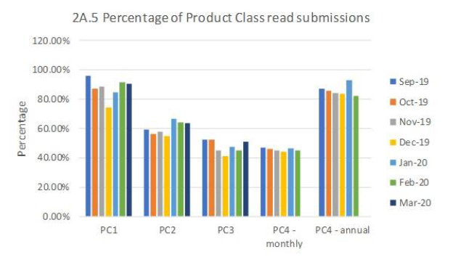
RELATED RISKS |  |  |  | Additional Risks
 |  | PACR002: AQ Correction Process (RM 12) |  |  | Withdrawal of DM transporter obligation (647)
 |  | PACR003: Use of estimated reads for DM sites PAR 2A.1 (PC1) |  |  | DM consumption adjustments
 |  | PACR003: Use of estimated reads for DM sites PAR 2A.1 (PC2) |  |  | Read submission targets outdated
 |  | PACR014: Meter readings not provided within the settlement window |  |  | Dec'19 - Development of the DDP has highlighted issues with report accuracy - ongoing
 |  | PACR010: Meter readings fail validation (RM 3) |  |  | PACR027 and PACR028 - COVID related risks - Changes to the UNC as a result of urgent modifications will need to be carefully monitored, working with CDSP to achieve this.
 |  | PACR011: Derived meter read drift
 |  | PACR012: Required meter read frequency for product 4 meters: the differing required frequency in meter read provision between product class 3 and 4 sites
 |  | PACR013: Change of Shipper reads: Estimated change of shipper reads are used and rather than actual reads, creating inaccurate reconciliation to the shippers involved

CONTROLS |  | PAC Actions |  | Initial contact | Review | comments/resolution
2A.1 Estimated and Check Reads |  | Performance improvement Initial Letter sent Nov-18 |  | 28/11/2018: Harwich, Southsea Clarence, Mumbles, Morecambe Central | Monthly review at PAC | dec-19 - concerns with the accuracy of the estimated reads reporting.
2A.5 Read Performance PC3 |  | PC3: Performance observation Initial Letter sent Nov-18, PC2 and PC4: performance observation intial letters sent Nov-18, PC2: Performance observation initial letter sent March 2019 |  | 26/11/2018: 21 PC3 shippers contacted, 29/01/2019: 48 PC2 and PC4 shippers contacted, 12/03/2019: Harwich contacted for 12months zero PC2 reads | 12/03/2019: further monitoring agreed
2A.5 Read Performance PC2 |  | Performance observation letter sent to ALL PC2 shippers |  | March 2019 | Focus on targeting shippers for improvement actions | performance improvements seen across PC2
 |  | Performance improvement targeting to x5 Shippers |  | June 2019 | PAC review in November 2019 | Plans provided and improvements seen
2A.5 Read Performance PC2 &3 |  | Improvement targetting for single shipper PC2 and PC3 |  | August 2019 | Plan review in September 2019 - include monitoring for a number of months into 2020 | Plans provided and improvements seen
2A.5 Read Performance PC2, 3 and 4 |  | Single Shipper targetted for read performance improvement across 3 classes |  | November 2019 | Report on plan in December, monitor into 2020 until targets are met. | Plans provided and improvements seen
2A.5 Read Performance PC2, and 4 |  | Single shipper targetting for poor read performance across PC2 and 4 |  | January 2020 | Improvements seen - CAMS continue work with the Shipper | Nolonger under review
2A.5 Read performance PC4 |  | Performance observation letters sent to 10 PC4 monthly read Shippers |  | 07/02/20 - observation letters advising Shippers that they were now on the Radar of PAC and should look to improve performance in the coming months before further performance improvement action is taken | Performance to be reviewed in May. **** Due to Corona virus, monitoring will continue but no action will be taken at this time****
2A.6 Meter read Validity monitoring |  | NONE TO DATE
2A.7 No reads for 1,2,3 or 4 years |  | NONE TO DATE |  | Agreed to target overall meter read performance first
2A.4 Shipper Transfer Read Performance |  | data cleanliness observations sent to x3 Shippers |  | Apr-19 | PAC review in September 2019 | working with CDSP on report improvements
2A.10: Replaced Meter Reads |  | NONE TO DATE
***** 30 March 2020 - PAC write to industry to advise that during the COVID-19 period, they will continue to monitor Shipper performance and would advise that Shippers notify PAC of any performance issues ASAP****

Additional information:
XRN4079 raised to correct issues in the current suite of PARR reports - implement July-19??
0657 - implemented and PARR report created
0700 reporting - still being developed. Initial reports presented at Ocotber 2019 PAC. As at 30/01/20 - still issues with the data within the reports

