Wheeling formula
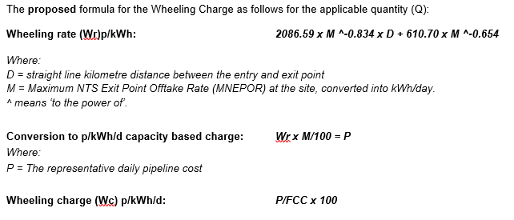
 |  |  |  |  |  |  |  |  | 29.3071

Wheeling | Formula elements
 | Intercept | Peak^ | From | To | MNEPOR kWh/d | Distance km | Check calc | ppth
Distance | 2086.59 | -0.834 | Bacton UKCS | Bacton IP | 630,000,000 | 1 | 0.0012 | 0.0343
Fixed | 610.7 | -0.654

